TF-953A
 |  |  | A3 Template

Project name: |  | Reduction in downtime due to material shortages at WSA |  | Project Team: | Escalona Guzmán Erick David (TlP/TEF6), García Albarrán Daniela (TlP/TEF6), Muciño Esquivel Rubi (TlP/TEF6), Gonzalez Correa María de Lourdes (TlP/MSE-WS2) |  |  | Project Sponsor: | Gonzalez Correa María de Lourdes (TlP/MSE-WS2)

Project Owner: |  | Escalona Guzmán Erick David (TlP/TEF6), García Albarrán Daniela (TlP/TEF6) |  |  |  |  |  | CIP Coach: | Muciño Esquivel Rubi (TlP/TEF6)

 |  |  |  |  |  |  |  | Date: | 2026-04-22

What?
Why?
How?
Background |     |  |  |  |  | Approach

Downtime due to a shortage of materials in WSA
Reduce downtime caused by by material shortages
Costs due to downtime
-Root cause analysis
-Analysis of Material Requests

No standardized PouP work

Increased Milkrun cycle time and ergonomic risks
-Standardize the procedure for requesting materials
Reduce fluctuations in material requests

Ergonomic risk for Milkrun's Hc
Fluctuation in the amount of material requested

-Cycle time and activities analysis
-Identify Point of Use
-Material Analysis
Responsible for the procurement and requesting materials
PouP Standardrized Work

PouP Standardized Work
PouP Standardized Work
Inicial State |  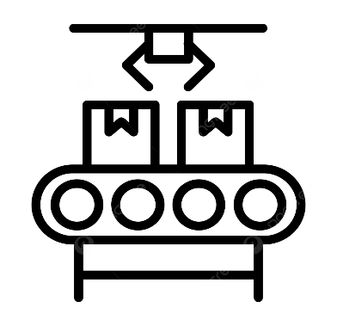 |  |  |  |  | Results | 
122 min/month
Downtime due to material shortages
PoU capacity
Defined material highs and lows
Defined route
Defined PoUP and stops
Defined periodic and cyclical activities
PoUP standardized work
Process engineering training
Without PoU Capacity
Undefined material highs and lows
Undefined route
Non dentified PoUs and stops
Undefined periodic and cyclical activities
Non PoUP Std Work
Non Process engineer training
5/10 production lines have PoUP standardized work

1/10 production lines have PoUP standardized work

KPI Monitoring
Improvment
Target Condition |  |  |  |  |  | Metrics |  | 

Reduce downtime caused by material shortages by 15%
Downtime due to material shortages

Reduction of 21 % min

96 min/month
The 5 product lines with the highest materials demand should have PoUP standard work

Standardize the remaining 5 lines to achieve 100% standardization of PouP tasks in WSA
 |  |  |  |  |  | Next Steps

All standardized procedures in the PoUP should be understandable to operational staff

© Robert Bosch México Sistemas Automotrices S.A. de C. V. se reserva todos los derechos. Prohibida su reproducción total o parcial. Ed/Sup: 2/1 = 19.Dic.25 TF-953A TI-204 C-SC1: interno

